Request
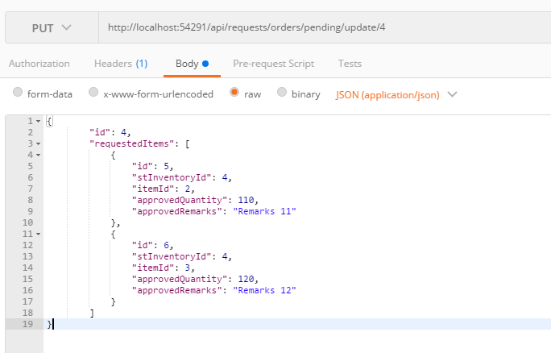
Parameter | Data Type | Length | Required | Unique | Remarks
Id | Int |  | Yes
RequestedItems | Array |  | Yes
Id | Int |  | Yes
STInventoryId | Int |  | Yes
ItemId | Int |  | Yes
ApprovedQuantity | Int |  | Yes
ApprovedRemarks | String

Example

Response
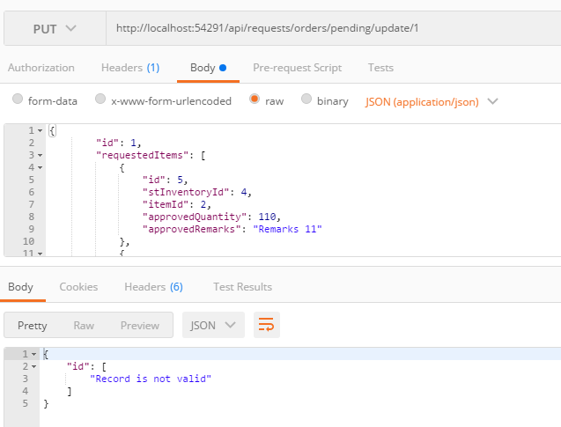
With Error

